READ ME
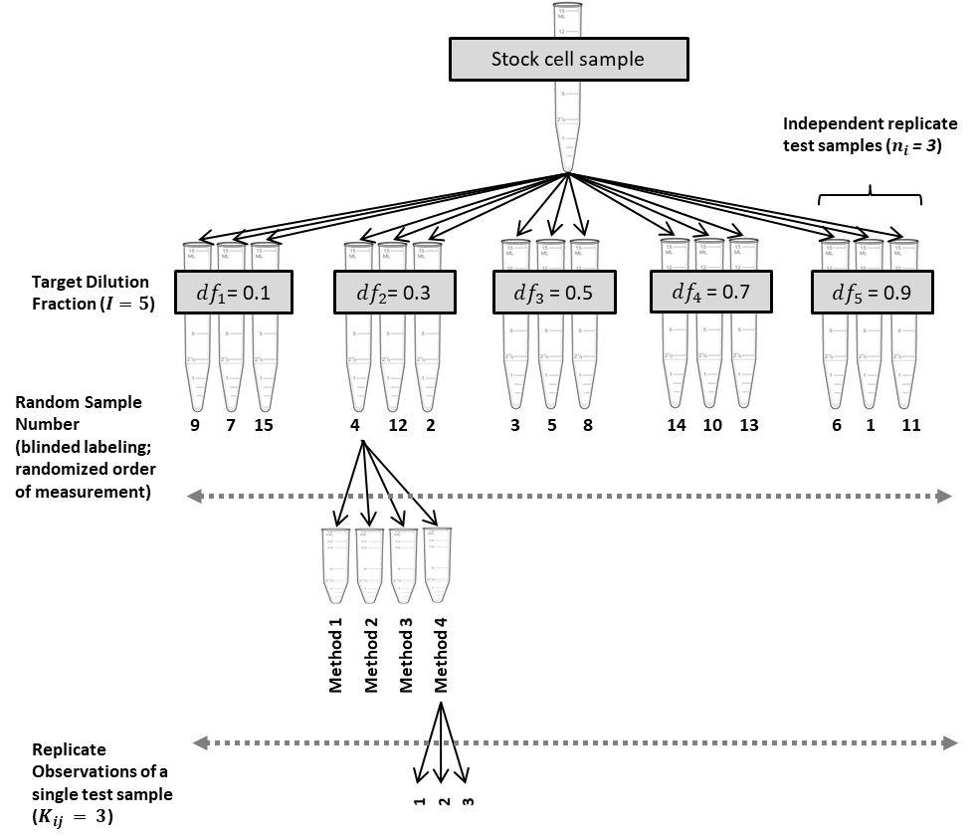
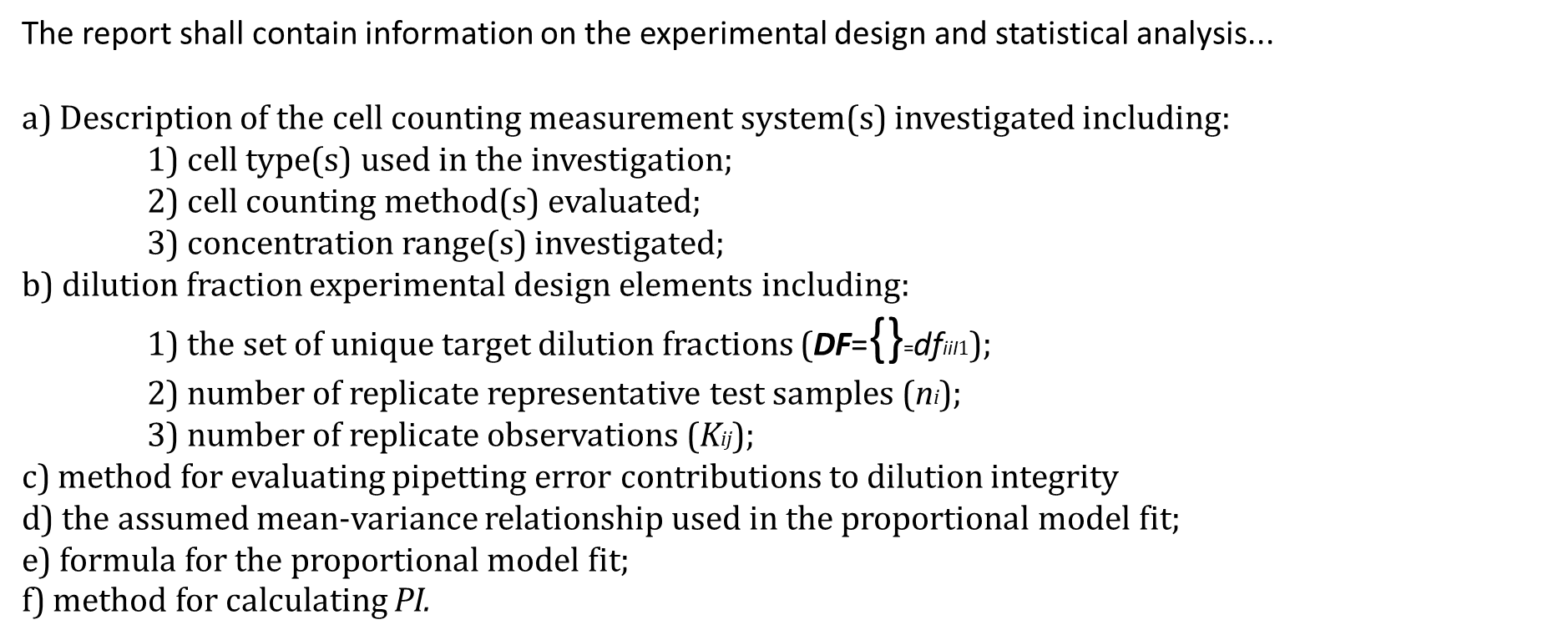
READ ME File for COMET (Counting Method Evaluation Tool)
https://cell-counting.shinyapps.io/COMET/

COMET (COunting Method Evaluation Tool) is a Shiny App that accepts data in a specific template based on a specified experimental design and conducts statistical analysis, and outputs quality indicators for the cell counting methods as well as additional meta-data important for reporting of results.

COMET is designed to accept data from experimental designs that follow the principles outlined in the ISO standard, "ISO 20391-2:2019 Biotechnology — Cell counting — Part 2: Experimental design and statistical analysis to quantify counting method performance" The outputs of this app are intended follow the reporting requirements and recommendations of the standard.

This excel file contains:
 | 1) | Full Data Template for COMET |  | Comprehensive data template with columns for meta-data, that can be saved as a *.CSV file for upload into COMET
 | 2) | Full Template Descriptions |  | Description of the columns in the full data template
 | 3) | Simple Data Template for COMET |  | A simple form data template with minimal data inputs for running COMET, that can be saved as a *.CSV file for upload into COMET
 | 4) | COMET Input Parameters |  | Descriptions of the input parameters for COMET
 | 5) | COMET Output Tabs |  | Descriptions of the output tabs and their contents
 | 6) | Download Results File Descr. |  | Descriptions of the contents of the file generated by the "Download All Results" button
 | 7) | Data Template Examples |  | Example studies that can be saved as *.CSV files and run using COMET
 |  |  |  | Full Template Example 1: | Data corresponds with ISO 20391-2:2019 Annex D (Use Case 1)
 |  |  |  | Full Template Example 2: | Data corresponds with ISO 20391-2:2019 Annex E (Use Case 2)
 |  |  |  | Full Template Example 3: | Data corresponds with publication, Sarkar et. al., Cell & Gene Therapy Insights, 2019
 |  |  |  | Simple Template Example 1: | Independent data set

More information on the experimental design and statistical analysis approach for quantifying cell counting method performance can be found at:
 | https://www.nist.gov/programs-projects/evaluating-quality-cell-counting-methods-experimental-design-and-statistical

Additional Resources:
 | 1) | ISO 20391-1:2018 Biotechnology — Cell counting — Part 1: General guidance on cell counting methods |  |  |  |  | https://www.iso.org/standard/68879.html
 | 2) | ISO 20391-2:2019 Biotechnology — Cell counting — Part 2: Experimental design and statistical analysis to quantify counting method performance |  |  |  |  | https://www.iso.org/standard/67892.html
 | 3) | Standards Landscape in Cell Counting: Implications for Cell & Gene Therapy. Sarkar, Pierce, Lin-Gibson, Lund. (Cell & Gene Therapy Insights, 2019) |  |  |  |  | https://insights.bio/immuno-oncology-insights/journal/article/236/standards-landscape-in-cell-counting-implications-for-cell-gene-therapy
 | 4) | Evaluating the quality of a cell counting measurement process via a dilution series experimental design. Sarkar, Lund, Vyzasatya, Vanguri, Elliott, Plant, Lin-Gibson.(Cytotherapy, 2017) |  |  |  |  | https://pubmed.ncbi.nlm.nih.gov/29037942/

 |  |  | Example Experimental Design |  |  | Quality Indicator Reporting |  | Meta-Data Reporting

